Energy_item
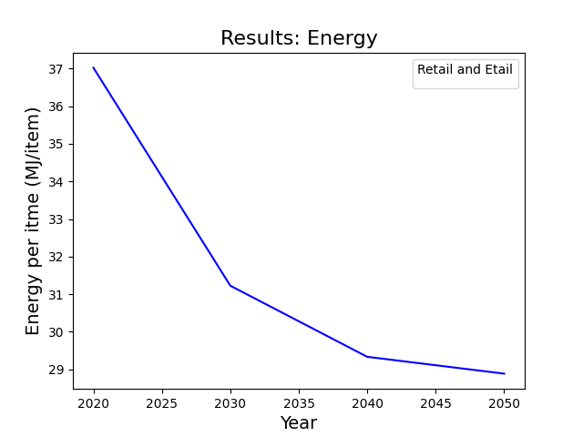
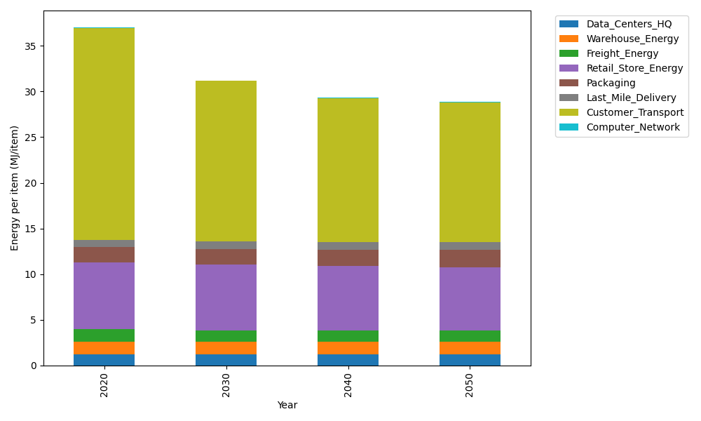
Years | Data_Centers_HQ | Warehouse_Energy | Freight_Energy | Retail_Store_Energy | Packaging | Last_Mile_Delivery | Customer_Transport | Computer_Network | Total
2020 | 1.2374584274 | 1.3413364871 | 1.3792968706 | 7.3075886387 | 1.6927150441 | 0.80794971403 | 23.213082475 | 0.042975419126 | 37.022403076
2030 | 1.2397219556 | 1.3560570783 | 1.2428387671 | 7.1834666191 | 1.7462883025 | 0.79580785381 | 17.613164035 | 0.047792234271 | 31.225136846
2040 | 1.2422748663 | 1.3726596348 | 1.1987378809 | 7.0434761256 | 1.8067106748 | 0.83452419207 | 15.782634101 | 0.053224858807 | 29.334242334
2050 | 1.2443556827 | 1.3861919813 | 1.2182577711 | 6.9293732242 | 1.8559595045 | 0.89179129496 | 15.303446983 | 0.057652861067 | 28.887029303

CO2_item
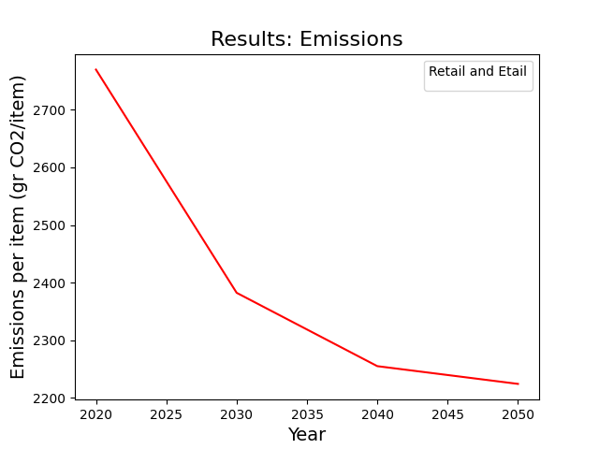
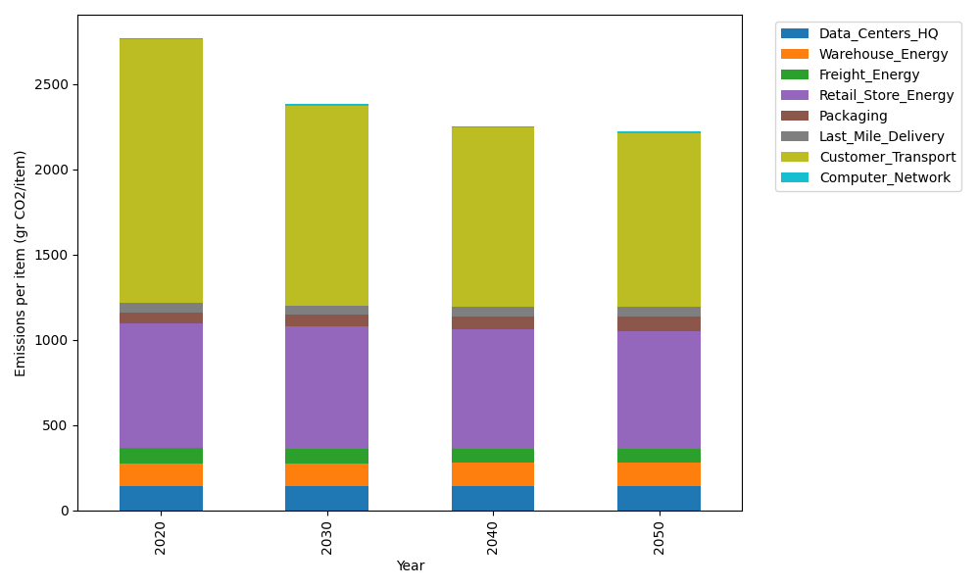
Years | Data_Centers_HQ | Warehouse_Energy | Freight_Energy | Retail_Store_Energy | Packaging | Last_Mile_Delivery | Customer_Transport | Computer_Network | Total
2020 | 140.15294768 | 133.90421398 | 93.920578073 | 728.75118621 | 65.626469552 | 55.460195607 | 1544.697521 | 7.2489564156 | 2769.7620685
2030 | 140.45160425 | 135.38025855 | 84.46863259 | 716.37308537 | 70.965623159 | 54.626740342 | 1172.0550621 | 8.0614414071 | 2382.3824478
2040 | 140.78844279 | 137.04500915 | 81.345504096 | 702.41249683 | 76.987364916 | 57.284350903 | 1050.2437924 | 8.9777991597 | 2255.0847602
2050 | 141.06299183 | 138.40190754 | 82.607239965 | 691.03355518 | 81.895542527 | 61.215343975 | 1018.3566376 | 9.724700436 | 2224.297919

